Sheet1
 | Operator Controller |  |  | v1.0 (Mar 22, 2022)

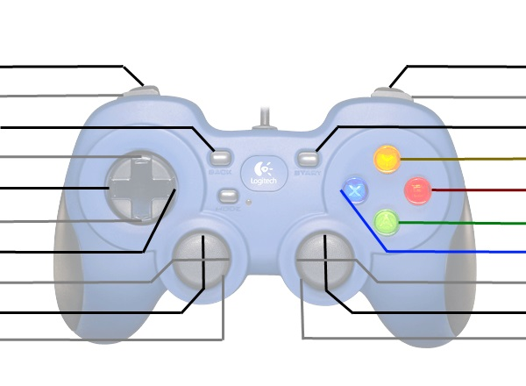
Shoot Low |  |  |  | Shoot High
Climb Winch Retract |  |  |  | Climb Winch Extend
Toggle Pivot Climb Arm |  |  |  | Auto Climb?
Up-Shift |  |  |  | Toggle Intake Arms Up/Down
Left-Shift |  |  |  | Expel?
Down-Shift |  |  |  | Intake
Right-Shift |  |  |  | Spin up Flywheel

Intake in/out |  |  |  | Magazine in/out
Kill Everything |  |  |  | Kill Everything

 | These are typically used for debugging or manual override
 | *Shift | Right Vertical Axis | X
 | Up | Override Wench limits | -
 | Right | - | -
 | Down | - | -
 | Left | - | -

 | Driver Controller

Shift Low |  |  |  | Shift High

 |  |  |  | Auto Shift

 |  |  |  | Align and Shoot
 |  |  |  | Turn Left/Right
Drive Forwards/Backwards
Kill Everything |  |  |  | Kill Everything

